Findings
Name of the vulnerability | Severity | CVSS score | CVE details | Impact | Remediation
Weak protocols enabled | Medium | 5.3 | CVE-2023-41928 | TLS 1.0 and 1.1 are susceptible to downgrade attacks, where an attacker forces a connection to revert to a less secure version of TLS or even SSL, which can compromise security further | Update your server configuration to only allow TLS 1.2 and TLS 1.3.
Improper input validation | Medium | 6.4 | CVE-2022-39306 | Attackers inject client-side scripts to hijack sessions or steal data. Malicious queries bypass validation to manipulate databases | Revalidate all inputs from server side, even if client-side checks pass
Missing file upload validation | Medium | 5.3 | CVE-2025-31339 | If the application renders these SVGs in a browser, malicious code can execute in users’ browsers, leading to session hijacking, data theft | Validate file content (magic bytes), not just the file extension or MIME type, to ensure it matches the expected format.Only allow the upload of expected file types (e.g., .doc). Reject all other file extensions at both client and server side.
Missing secuirty Headers | Medium | 4.2 | CVE-2025-49193 | Missing security headers significantly increase the risk of XSS, clickjacking, and other web attacks. | Implement the following security headers 1. Content-Security-Policy: default-src 'self'; 2.X-Frame-Options: DENY 3. X-Content-Type-Options: nosniff 4.Set-Cookie: sessionid=abc123; Secure; HttpOnly 5. X-XSS-protection: mode=block
Missing Cookie attributes-Http only, secure flag | Medium | 6.3 | CVE-2025-47289 | Attackers intercepting network traffic (e.g., on public Wi-Fi) can steal cookies sent over unencrypted channels, leading to session hijacking | 1. Ensure all session and sensitive cookies are set with the HttpOnly attribute so they cannot be accessed via client-side scripts 2.Ensure cookies are only sent over HTTPS by setting the Secure attribute 3. For maximum protection, always set both flags on all sensitive cookies
Vulnerable Bootstrap and jquery version | Low | 6.1 | CVE-2024-6531 | The use of third-party JavaScript libraries can introduce a range of DOM-based vulnerabilities, including some that can be used to hijack user accounts like DOM-XSS. | Develop a patch-management strategy to ensure that security updates are promptly applied to all third-party libraries in your application. Also, consider reducing your attack surface by removing any libraries that are no longer in use.
Weak Hashing Algorithm | Low | 6.9 | CVE-2024-56516 | By exploiting MD5 collisions, attackers can create fraudulent SSL certificates. This allows them to intercept sensitive information from users who believe they are interacting with a secure, legitimate site. can result in compromised data integrity | Use only SHA 256, AES 512 and RSA algorithms
Usernames | Low | 7.5 | CVE-2025-32044 | Exposed usernames enable credential stuffing, brute-force attacks, or password guessing | Missing Strict-Transport-Security (HSTS) permits HTTP downgrade attacks

Weak protocols enabled

Improper Input validation

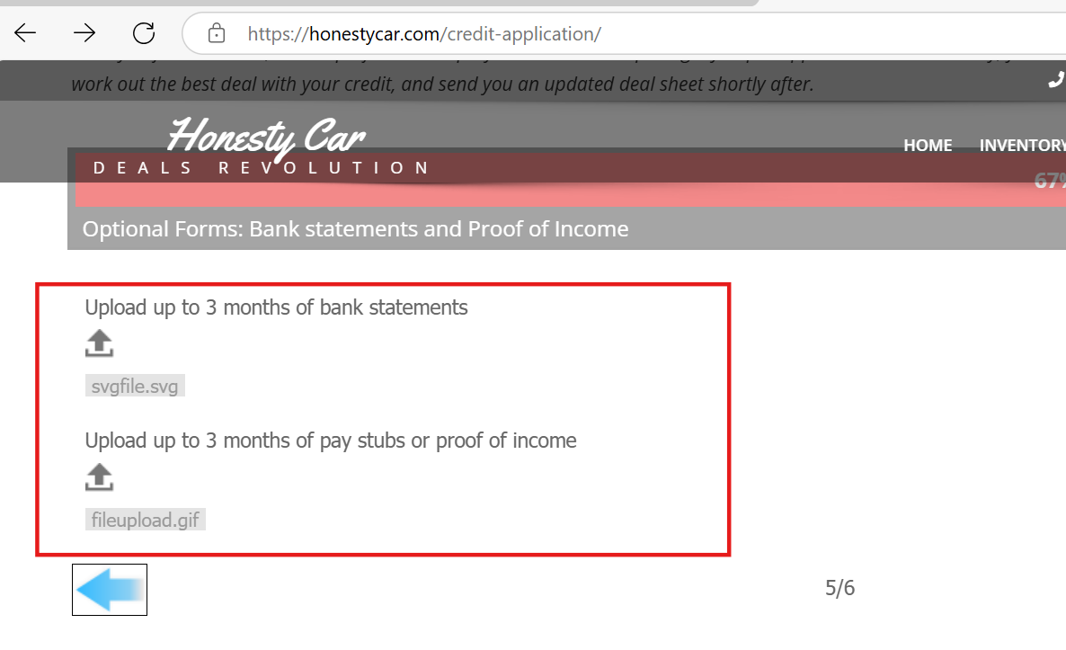
Missing file upload validation

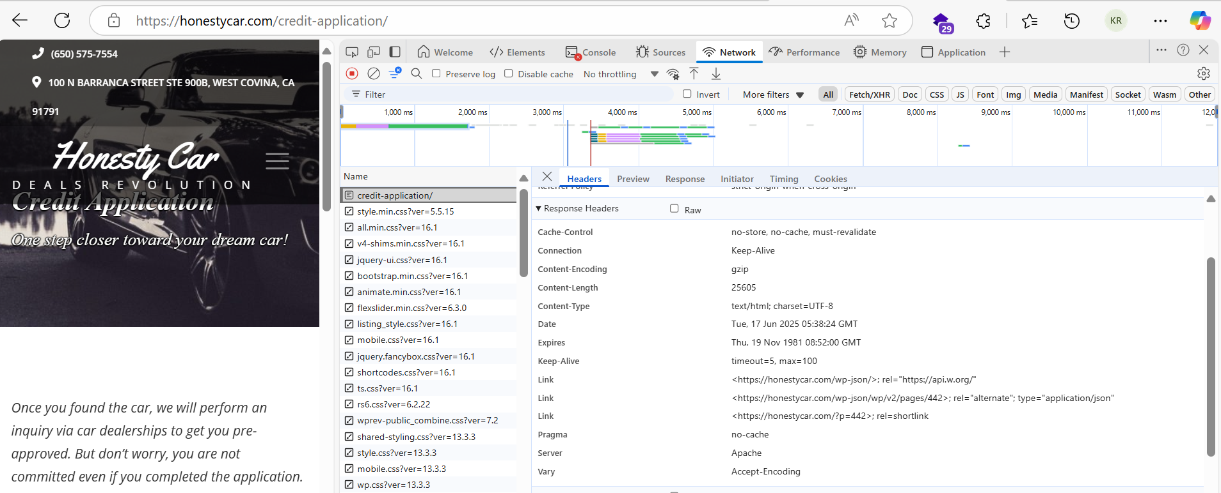
Missing secuirty Headers

Missing Cookie attributes-Http only, secure flag

Vulnerable Bootstrap and jquery version

Pivot Chart
Severity | Vulnerability Count
Critical | 0
High | 0
Medium | 5
Low | 3
Vulnerability Count

